Cover Page
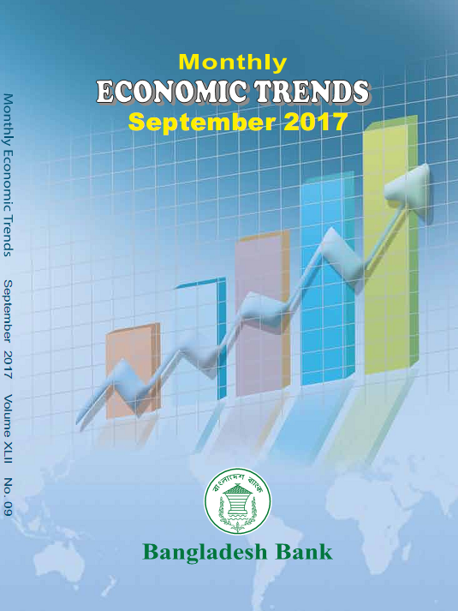

 |  |  |  |  | Editorial Committee

 |  |  |  |  | Chairman
 |  |  | A.K.M. Fazlul Haque Mia
 |  | Executive Director (Specialized)

 |  |  |  |  | Members
 |  |  |  | 1. Mohammad Ballal Hossain General Manager
 |  |  |  | 2. Mansura Parvin Deputy General Manager
 |  |  |  | 3. Md. Rafiqul Islam Joint Director

 |  |  |  | 4. Masuma Binte Malek
 |  |  |  | Deputy Director
 |  |  |  | 5. Asif Ahmed Mansur
 |  |  |  | Deputy Director

 | Suggestions/Comments for improvement in the contents of this booklet would highly be appreciated. Users may kindly contact the following email addresses with their suggestions/comments and queries, if any:
Monthly
Economic Trends
September 2017

 |  |  | Email: mansura.parvin@bb.org.bd
 |  |  | Deputy General Manager
 |  |  | Statistics Department
 |  |  | Bangladesh Bank
 |  |  | Head Office, Dhaka
 |  |  | Email: rafiqul.islam178@bb.org.bd
 |  |  | Joint Director
Statistics Department |  |  | Statistics Department
Bangladesh Bank |  |  | Bangladesh Bank
 |  |  | Head Office, Dhaka

